2021 MAS Buyers
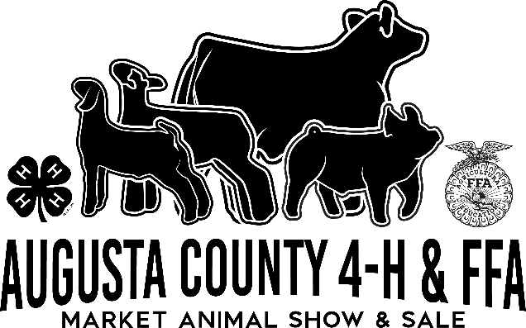
2021 Augusta County 4-H/FFA Market Animal Sale Buyers
01-STEER SELECT FLOOR BUYER - MCNETT ANGUS BEEF | Thank You!
02-STEER CHOICE FLOOR - WEIKERT'S
03-HOGS LIGHT FLOOR BUYER-ROSCOE WINE
06-LAMB HEAVY FLOOR BUYER
24-ASHLIE HOWELL-BUYERS COMMITTEE
30-MARK DUNSMORE-BUYERS COMMITTEE
36-KEVIN MCLAREN-BUYERS COMMITTEE
ANIMAL HOSPITAL OF STUARTS DRAFT
AUGUSTA CO-OP
B.F CARICOFE
BEN WILLIAMS
BLUE RIDGE INSURANCE SERVICES
BRAKKE CROSBY - WELLS IN MEMORY OF JEFF CROSBY
BURTON FAMILY
BUTLER FAMILY
BYERLY WEALTH MANAGEMENT
CHAD HINEGARDNER, CPA
CHARLIE OBAUGH BUICK,KIA, GMC, RV'S & FARM
CIRCLE C AUCTION COMPANY
CITY NATIONAL BANK
CLASSIC WALL SYSTEMS INC
CLEVELAND HAULING
COFFMAN FUNERAL HOME
COREY'S LAWN CARE
COX CONSTRUCTION & PLUMBING INC.
DAVID FITT & KATHY CROW
DAVIS FINANCIAL STRATEGIES
DEE DEE'S PAPARAZZI DIVAS
DOMINION BUILDERS & CABINETRY, LLC.
DOMINION LIVESTOCK
DOMINION OUTDOORS/CORNERSTONE JANITORIAL
DOUG RILEY-ROCKING R FARM
DR. MICHAEL GWALTNEY
EA HAY LLC
EAVERS BROS. EXCAVATING. INC.
EDDIE BURKEHOLDER
EDWARD JONES OF DAYTON
F&W FORESTRY SERVICES, INC
FARM CREDIT
FARMERS & MERCHANTS BANK
FAUBER FREIGHTWAYS, INC
FLYING CIRCLE FARM
GOOD SERVICES
GRAND CHAMPION SUPPORTERS
GREENER VALLEY SUPPLY, LLC
HILLSCAPE
HILLTOP VIEW FARM LLC
HOLLY HILL FARM
HOUFF TRANSFER
HOWELL & SONS AUCTIONS
IN MEMORY OF BRIAN DAVIS
J AND K FARM
JAMES RIVER EQUIPMENT - FISHERSVILLE
JC SHOW STOCK
JOHN & CYNTHIA THORNTON
JONATHAN RILEY
KARL KIRACOFE
KAUFMAN CATTLE SERVICE
LOWERY'S LAWN CARE
LYNNWOOD FARM
M C LIVESTOCK
MARK CRAIG AUCTIONS
MARY EARHART
MCDONOUGH TOYOTA
MCNETT ANGUS BEEF
MIDDLEBROOK FAMILY MEDICINE
MIDDLEBROOK RURITAN CLUB
MILLERS STORAGE BUILDINGS
MILLSTONE FARMS
MISH BROS FARMS
MOONLITE FARMS
MORNING SUN RETRIEVERS
MOSSY CREEK CATTLE
NORTH MOUNTAIN CATTLE COMPANY
P & P TRUCKING
P&S ELECTRIC
PAUL TUTWILER
PILGRIM'S
RICK BURNETTE
RICKY STOGDALE
RIDGEVIEW ACRES LLC
RIVER BRANCH MEAT PROCESSING
ROCKINGHAM COOP AND AMINO POWER SHOW FEED
ROCKINGHAM COOPERATIVE
ROCKINGHAM COOP-GREG HARLOW
ROCKINGHAM INSURANCE
ROCKINGHAM LIVESTOCK
ROCKY'S GOLD AND SILVER SHOP
ROGER STOVER
SHENANDOAH VALLEY ELECTRIC COOPERATIVE
SHERIFF DONALD SMITH
SINKING SPRINGS FARM
STALEY INSURANCE AGENCY
STEVE & CECILA KLEIN
STONE HILL CONSTRUCTION
SUMMERDEAN FARMS INC
SUMMIT COMMUNITY BANK
SUTPHEN FIRE EQUIPMENT
T & J CATTLE CO.
TRB CATTLE - TODD BECK & ANDREW MOHLER
VIRGINIA POULTRY GROWERS COOPERATIVE
WEATHERMAN-COLLINS CONTRACTING
WILLIAMS FARMS
WOOD HEAVY EQUIPMENT

